reference figures
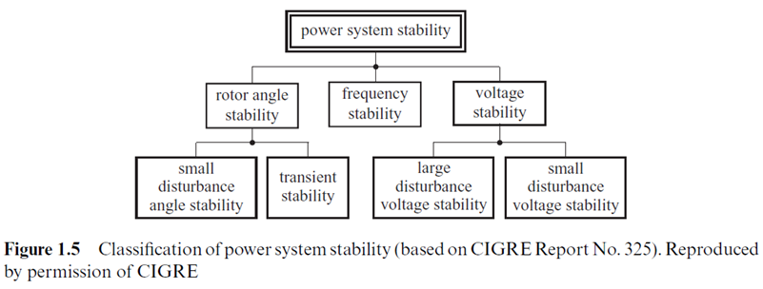
Power System Studies

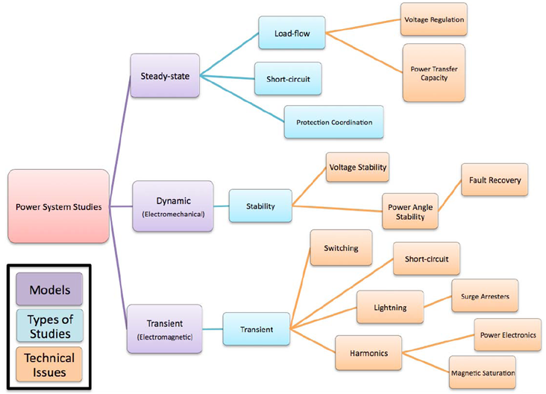

Source: http://www1.eere.energy.gov/solar/pdfs/2010ulw_kroposki.pdf
Elements of the EPHCC Repository (Repo. Categories)

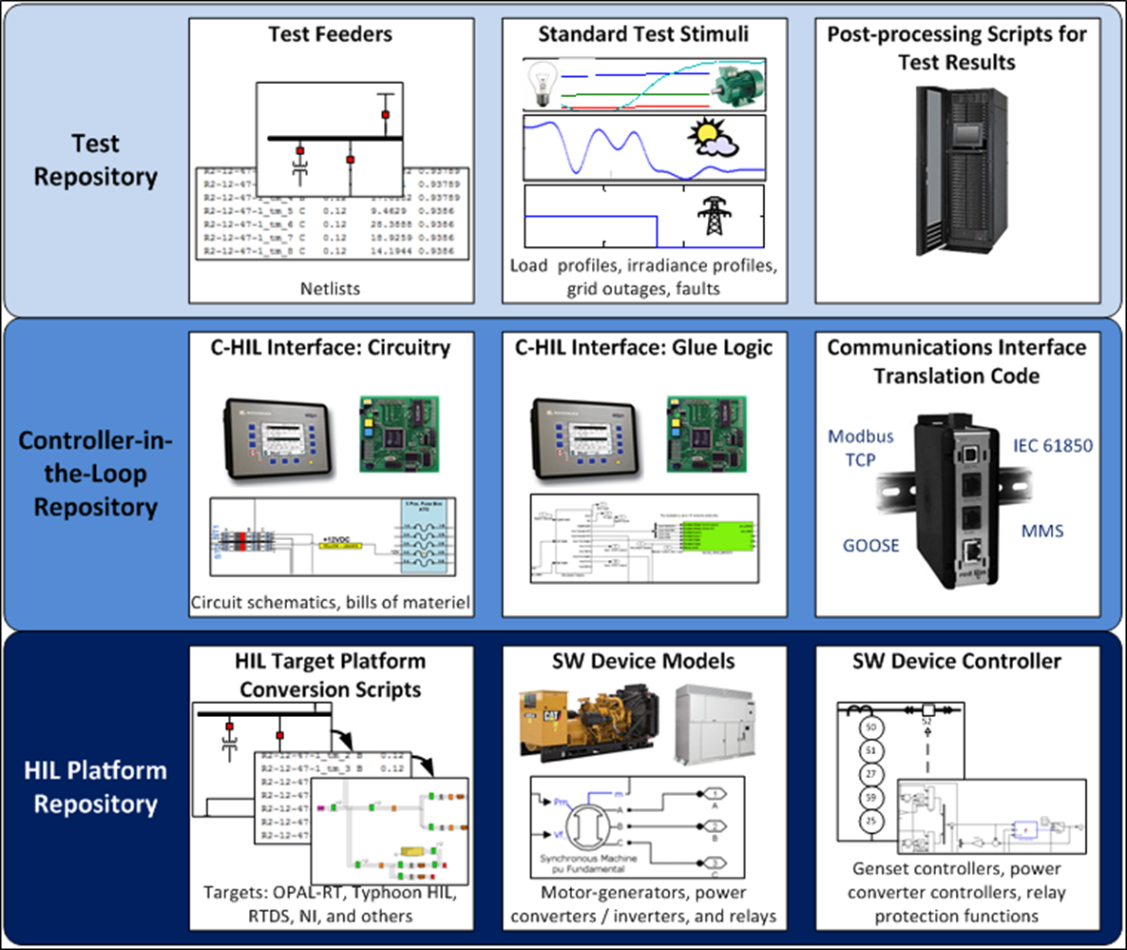

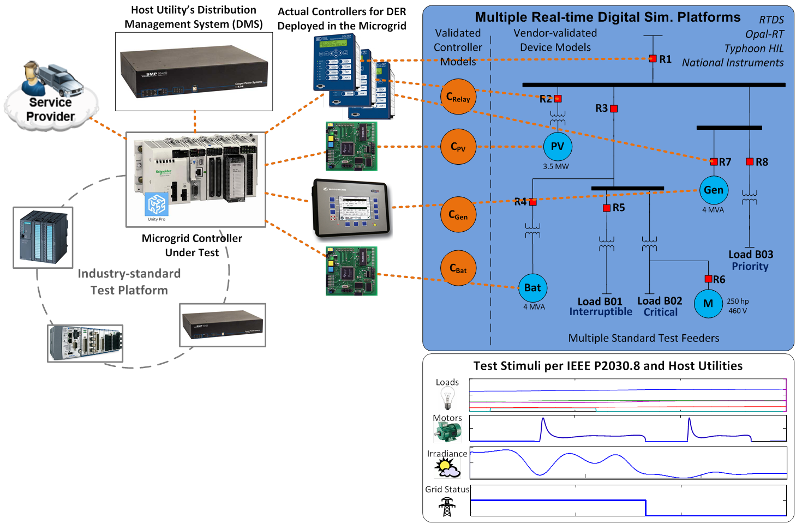

Power System Stability Analysis

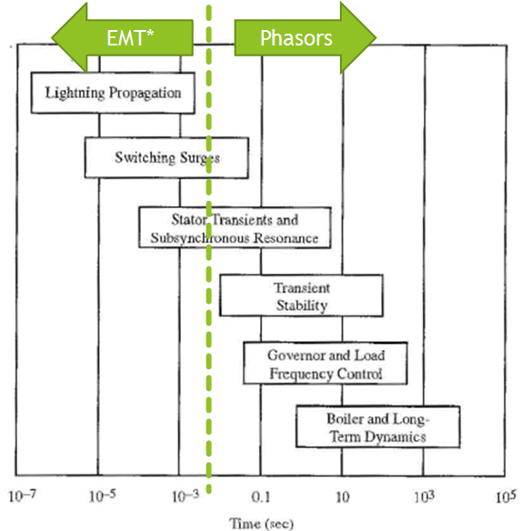

Power System Stability Analysis

